API_07
Doc No |  |  |  |  | dev-app-XXXXXX-001 |  |  |  | Subsystem |  | Get XXX | Version | Ver | 1.1 | Created date
Name |  |  |  |  | Retrieve Snap Short |  |  |  | Method |  | /search/get-xxx | PIC | tattt |  | Updated date

 | Description

 |  | (Need QA) Initpage Retrieve Snap Short

 | Reference
QA ?
 |  | URL
 |  |  | /api//search/get-xxx

 |  | Method
 |  |  | POST

 |  | Request
 |  |  | Parameter Name |  |  | Required | Type | Explain |  | Notes
 |  |  | username |  |  | 〇 | String

 |  | Response
 |  |  | No | Tên paramater |  | Parent No | Type | Explain |  | Notes
 |  |  | 1 | success |  | - | String |  |  | true / false
 |  |  | 2 | status |  | - | int |  |  | 200, 500
 |  |  | 3 | message |  | - | String
 |  |  | 4 | data |  | - | Object
 |  |  | 5 | total_ldcm_vehicle |  | 4 | String
 |  |  | 6 | total_cal_lost_com |  | 4 | String

 |  |  | Sample
 |  |  | {
 |  |  |  | success: true,
 |  |  |  | status: 200
...

API_07_Detaill
Doc No |  |  |  |  |  |  |  | dev-app-XXXXXX-001 |  | Subsystem | Get XXX | Version | Ver | 1.1 | Created date
Name |  |  |  |  |  |  |  | Retrieve Snap Short |  | Method | /search/get-xxx | PIC | tattt |  | Updated date

 | Detail

 |  | <(Need QA) Initpage Retrieve Snap Short >
QA ?
 |  |  | [01] | Search data with received parameters
 |  |  |  |  |  | FROM : ? |  |  | QA
 |  |  |  |  |  | WHERE : USERNAME = {username}

 |  |  |  |  |  | SELECT : ?
 |  |  |  | Case Not Found Data
 |  |  |  |  |  | Prepare data reponse
 |  |  |  |  |  |  | success: false,
 |  |  |  |  |  |  | status: 500
 |  |  |  |  |  |  | message: "Not Found Data"
 |  |  |  |  |  |  | data: {}
 |  |  |  |  |  | Next step [05]
 |  |  |  | Case Has Data
 |  |  |  |  |  | Next step [03]
 |  |  | [03] | Preparing data response
 |  |  |  |  |  | success: true,
 |  |  |  |  |  | status: 200
 |  |  |  |  |  | message: ""
 |  |  |  |  |  | data: { Fill data response with data from [1] area }
 |  |  |  |  | Next step [05]
 |  |  | [04] | Catch exception
 |  |  |  |  |  | success: false,
 |  |  |  |  |  | status: 500
 |  |  |  |  |  | message: ""
 |  |  |  |  |  | data: { }
 |  |  |  |  | Next step [05]
 |  |  | [05] | Return data response for client side

API_10
...
Reference

 | URL
 |  | /api/genlog/regist-batch-job

 | Method
 |  | POST

DELETED
 | Request
 | No | Parameter Name | Required | Parent No | Type | Explain | Notes
 | 1 | username | 〇 |  | String
 | 2 | requestTimestamp | 〇 |  | String
 | 3 | vinList | 〇 |  | List
 | 4 | VIN | △ | 3 | String | Child Node of vinList | △ : Case LogName = Report → Required
 | 5 | jobList | 〇 | 3 | List | Child Node of vinList
 | 6 | executorClass | 〇 | 5 | String | Child Node of jobList | Class name to execution export Excel File
 | 7 | logName | 〇 | 5 | String | Child Node of jobList | Report / GENERAL_SERVICE/ DEVICE_ABNORMAL/ NOTIFY_SPECIAL_MODE / DEALER WARNING
 | 8 | CWQuery |  | 5 | String | Child Node of jobList | Query String of Cloudwatch
 | 9 | PeriodFrom | △ | 5 | String | Child Node of jobList | △ : Case LogName <> Report → Required
 | 10 | PeriodTo | △ | 5 | String | Child Node of jobList | △ : Case LogName <> Report → Required
 |  | parameters | 〇 |  | String | Child Node of jobList
 |  | p1 |  |  | String | Child Node of parameters
 |  | p2 |  |  | String | Child Node of parameters
 |  | p3 |  |  | String | Child Node of parameters
 |  | p4 |  |  | String | Child Node of parameters
 |  | p5 |  |  | String | Child Node of parameters
 |  | p6 |  |  | String | Child Node of parameters
 |  | p7 |  |  | String | Child Node of parameters
 |  | p8 |  |  | String | Child Node of parameters
 |  | p9 |  |  | String | Child Node of parameters

 | No | Parameter Name |  |  | Type | Explain | Notes
 |  | REQUEST_TIMESTAMP |  |  | String
 |  | USERNAME |  |  | String
 |  | VINLIST |  |  | List
 |  | + VIN |  |  | String
 |  | + DeviceID |  |  | String
 |  | + IMSI |  |  | String
...

API_10_Detaill
Doc No |  |  |  |  |  |  | dev-app-XXXXXX-001 |  |  |  | Subsystem |  |  | Regist Batch Job
Name |  |  |  |  |  |  | Common Batch |  |  |  | Method |  |  | genlog/regist-batch-job

 | Detail

 |  | <Register Batch Job Table>

 |  |  | [01] | Prepare data to insert from request's parameters
 |  |  |  | Loop VINLIST of request then execute process below :
 |  |  |  |  | No | Receive Object |  | Parent No | Edit value from request |  |  |  | Notes
DELETED
 |  |  |  |  | 1 | RequestID |  |  | {username} + {requestTimestamp}
 |  |  |  |  | 2 | User |  |  | {username}
 |  |  |  |  | 3 | RequestTimestamp |  |  | {requestTimestamp}
 |  |  |  |  | 4 | Priority |  |  | "1" |  |  |  | Normal
 |  |  |  |  | 5 | VINList |  |  | - |  |  |  | Loop data of {vinList} to edit data to VINList object
 |  |  |  |  | 6 | VIN |  | 5 | {VIN} |  |  |  | Case {logName} = Report : set NULL
 |  |  |  |  | 7 | Management |  | 5 | "Cancel" |  |  |  | Dependence status of jobs in 1 VIN
 |  |  |  |  | 8 | JobList |  | 5 | - |  |  |  | Loop data of {jobList} to edit data to JobList object
 |  |  |  |  | 9 | ExecutorClass |  | 8 | {executorClass}
 |  |  |  |  | 10 | JobID |  | 8 | {username} + {requestTimestamp} + △ |  |  |  | Generate △ (4 characters ) : "000" + index of element in JobList (index start from 1)
 |  |  |  |  | 11 | LogName |  | 8 | {logName}
 |  |  |  |  | 12 | PeriodFrom |  | 8 | NULL | {PeriodFrom}
 |  |  |  |  | 13 | PeriodTo |  | 8 | NULL | {PeriodTo}
 |  |  |  |  | 14 | Status |  | 8 | "On Queue" |  |  | Registered
 |  |  |  |  | 15 | URLDownload |  | 8 | NULL
 |  |  |  |  | 16 | CWQuery |  | 8 | {CWQuery}
 |  |  |  |  | 16 | Parameters |  |  | - |  |  |  | Loop data of {parameters} to edit data to Parameters object
 |  |  |  |  | 17 | P1 |  |  | {p1} |  |  |  | Batch executor class use this value to create report
 |  |  |  |  | 18 | P2 |  |  | {p2}
 |  |  |  |  | 19 | P3 |  |  | {p3}
 |  |  |  |  | 20 | P4 |  |  | {p4}
 |  |  |  |  | 21 | P5 |  |  | {p5}
 |  |  |  |  | 22 | P6 |  |  | {p6}
 |  |  |  |  | 23 | P7 |  |  | {p7}
 |  |  |  |  | 24 | P8 |  |  | {p8}
 |  |  |  |  | 25 | P9 |  |  | {p9}
...
 |  |  | [01] | Prepare data to insert from request's parameters
 |  |  |  |  | 1 | REQUEST_ID |  |  | Param.USERNAME + Param.REQUEST_TIMESTAMP |  |  |  | Format : user_YYYYMMDDHHMMSS
 |  |  |  |  | 2 | REQUEST_TIMESTAMP |  |  | Param.REQUEST_TIMESTAMP
 |  |  |  |  | 3 | PRIORITY |  |  | "1"
 |  |  |  |  | 4 | USER |  |  | Param.USERNAME
 |  |  |  |  | 5 | VIN |  |  | VINLIST.ID
 |  |  |  |  | 6 | JOB_ID |  |  | Set UUID Random
 |  |  |  |  | 7 | EXECUTOR_CLASS |  |  | Type Name of Report + "Executor" |  |  |  | Ex : Report -> SnapshotReportExecutor DEVICE_ABNORMAL -> DeviceAbNormalExecutor ….. (*) Mapping with table CloudWatchMap below
 |  |  |  |  | 8 | LOG_NAME |  |  | VINLIST.LOG_NAME
 |  |  |  |  | 9 | CWQUERY |  |  | If Param.CWQUERY = NULL then Set [Default Query] |  |  |  | (*) Mapping with table CloudWatchMap below with {0} : VINLIST.ID
...

API_11
...
Request
 | requestDate |  |  |  | String
 | user |  |  |  | String
 | VIN |  |  |  | String

Response
 | No | Tên paramater | Parent No |  | Type | Explain | Notes
 | 1 | success | - |  | String |  | true / false
 | 2 | status | - |  | int |  | 200, 500
 | 3 | message | - |  | String
DELETED
 | 4 | data | - |  | Object
 | 5 | requestID | 4 |  | String
 | 6 | requestTimestamp | 4 |  | String
 | 7 | priority | 4 |  | Integer
 | 8 | user | 4 |  | String
 | 9 | vinList | 4 |  | List
 | 10 | vin | 9 |  | String
 | 11 | management | 9 |  | String
 | 12 | jobList | 9 |  | List
 | 13 | executorClass | 12 |  | String
 | 14 | jobID | 12 |  | String
 | 15 | logName | 12 |  | String
 | 16 | periodFrom | 12 |  | String
 | 17 | periodTo | 12 |  | String
 | 18 | status | 12 |  | String
 | 19 | urlDownload | 12 |  | String
 | 20 | CWQuery |  | 12 | String
 | 20 | parameters | 12 |  | Map
 |  | p1 | 20 |  | String
 |  | p2 | 20 |  | String
 |  | p3 | 20 |  | String
 |  | p4 | 20 |  | String
 |  | p5 | 20 |  | String
 |  | p6 | 20 |  | String
 |  | p7 | 20 |  | String
 |  | p8 | 20 |  | String
 |  | p9 | 20 |  | String
...
Response
 | 4 | data |  |  | Array
 | 5 | REQUEST_ID |  | 4 | String
 | 6 | REQUEST_TIMESTAMP |  | 4 | String
 | 7 | PRIORITY |  | 4 | String
 | 8 | USER |  | 4 | String
 | 9 | VIN |  | 4 | String
 | 10 | JOB_ID |  | 4 | String
 | 11 | EXECUTOR_CLASS |  | 4 | String
 | 12 | LOG_NAME |  | 4 | String
...

Batch_Job_Structure
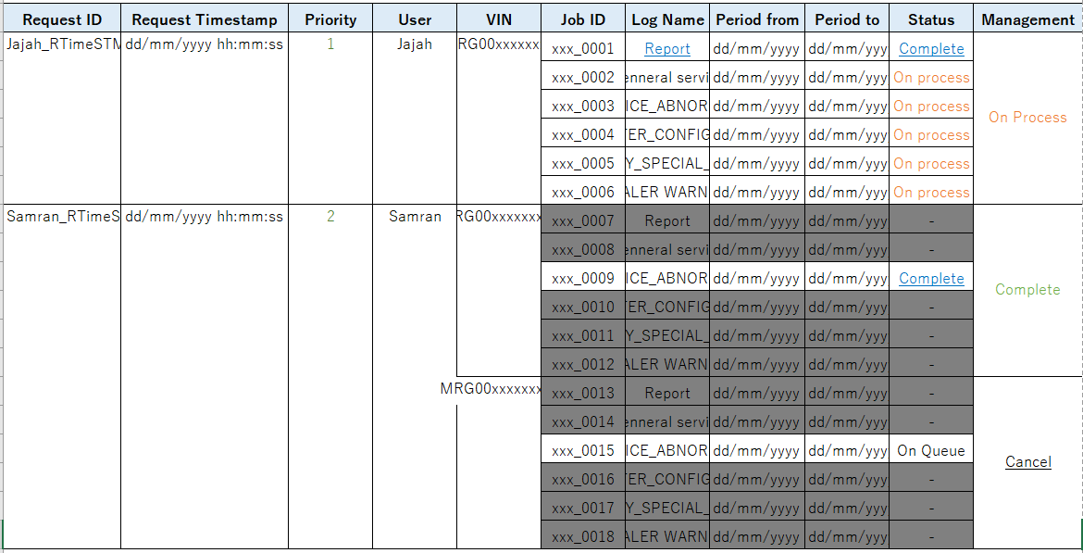
BATCH_JOB |  | Layout
Key / Index | Attribute
PK (Partial Key) | REQUEST_ID
create index | REQUEST_TIMESTAMP
 | PRIORITY
create index | USER
create index | VIN
SK (Sort key) | JOB_ID
 | CWQUERY
 | LOG_NAME
 | PERIOD_FROM
 | PERIOD_TO
create index | STATUS
 | URLDOWNLOAD
 | MANAGEMENT

Example
DATA_REQUEST_ID_R1 |  | DATA_REQUEST_ID_R3
VIN = DATA_VIN1 |  | VIN = DATA_VIN2
Record 1 | Record 2 | Record 3 | Record 4
DATA_REQUEST_ID_R1 | DATA_REQUEST_ID_R1 | DATA_REQUEST_ID_R3 | DATA_REQUEST_ID_R3
DATA_REQUEST_TIMESTAMP_R1 | DATA_REQUEST_TIMESTAMP_R1 | DATA_REQUEST_TIMESTAMP_R3 | DATA_REQUEST_TIMESTAMP_R1
DATA_PRIORITY_R1 | DATA_PRIORITY_R1 | DATA_PRIORITY_R3 | DATA_PRIORITY_R1
DATA_USER_R1 | DATA_USER_R1 | DATA_USER_R3 | DATA_USER_R1
DATA_VIN1 | DATA_VIN1 | DATA_VIN2 | DATA_VIN2
DATA_JOB_ID_R1 | DATA_JOB_ID_R2 | DATA_JOB_ID_R3 | DATA_JOB_ID_R4
DATA_LOG_NAME_R1 | DATA_LOG_NAME_R2 | DATA_LOG_NAME_R3 | DATA_LOG_NAME_R4
...

